Feuil1
 |  |  |  |  | Type of task |  | Description

 |  |  |  |  | CI / CD |  | Task related to deployment...
Type of task | Task details | Use case related | Task related | Progress | Backend |  | Handle app logic + database
Backend | Init backend repository |  | #63 | 100% ✅ |  | Testing | Testing of backend feature
Frontend | Init frontend repository |  | #64 | 100% ✅ | Frontend
Integration | UI for register page | UC 1 | #66 | 100% ✅ |  | Integration | Create the user interface
Dynamization | Register page logic | UC 1 | #67 | 100% ✅ |  | Dynamization | Connect the interface to the backend
Integration | UI for login page | UC 1 | #68 | 100% ✅
Dynamization | Login page logic | UC 1 | #69 | 100% ✅
Backend | User model | UC 1 / UC 2 / UC 3 / UC 4 / UC 5 | #75 | 100% ✅ | Use case | Description | Progress
Backend | User authentication | UC 1 | #65 | 100% ✅ | UC 1 | UC Register / Login / Logout | 100%
Testing | User authentication testing | UC 1 | #89 | 100% ✅ | UC 2 | UC Health Data | 100%
Integration | UI for profil page | UC 1 | #73 | 100% ✅ | UC 3 | UC Handle Personal Circle | 0%
Dynamization | Profil page logic | UC 1 | #74 | 100% ✅ | UC 4 | UC Handle Feeling Form | 0%
Integration | UI for HealthInfo page | UC 2 | #76 | 100% ✅ | UC 5 | UC Insert Data | 0%
Dynamization | HealthInfo page logic | UC 2 / UC 3 | #77 | 100% ✅
Backend | Create job to import health infos from sensor's API | UC 2 / UC 5 | #78 | 100% ✅
Testing | Import health data testing | UC 2 | #100 | 100% ✅
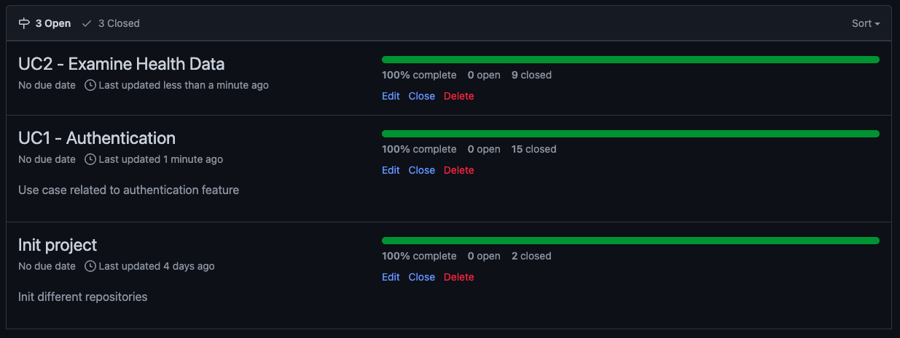
Integration | UI for FeelingForm page | UC 4
Dynamization | FeelingForm page logic | UC 4
Backend | Handle submit feeling form | UC 4
Integration | UI for personal circle page | UC 3
Dynamization | Personal circle page logic | UC 3
Backend | Personal circle business logic | UC 3
Frontend | Setup PWA
CI / CD | Frontend dockerfile for auto-deployment
CI / CD | Backend dockerfiler for auto-deployment
CI / CD | Setup production on remove server
CI / CD | Setup automatic testing |  | #99 | 100% ✅

